attention_taskperf_reactiontime
 | ID | Run | Session | congruency | n() | mean_RT | sd_RT | congruency | (All)
1 | AL | 1 | 1 | Congruent | 52 | 0.79573076923 | 0.17373171963
2 | AL | 1 | 1 | Incongruent | 59 | 0.84103389831 | 0.20219911372 | Average of mean_RT | Column Labels
3 | AL | 1 | 2 | Congruent | 58 | 0.80186206897 | 0.13628536216 |  | 1 |  | 2 |  | Across all 4 runs | Day 1, R1vsR2 |  | Day 2 R1, vs R2 |  | R2's, Day 1 vs 2
4 | AL | 1 | 2 | Incongruent | 57 | 0.85459649123 | 0.19515038703 | Row Labels | 1 | 2 | 1 | 2
5 | AL | 2 | 1 | Congruent | 56 | 0.75510714286 | 0.1656801605 | MaR | 0.88437336523 | 0.81173728814 | 0.83872882638 | 0.82251358854
6 | AL | 2 | 1 | Incongruent | 59 | 0.78752542373 | 0.19588009668 | AL | 0.81838233377 | 0.8282292801 | 0.77131628329 | 0.78670901391
7 | AL | 2 | 2 | Congruent | 57 | 0.77624561404 | 0.14884403159 | DC | 0.776675 | 0.75557787356 | 0.75592729885 | 0.74352415254
8 | AL | 2 | 2 | Incongruent | 58 | 0.79717241379 | 0.16998081811 | ER | 0.86665617433 | 0.88162814144 | 0.85093912429 | 0.83961190476
9 | DC | 1 | 1 | Congruent | 60 | 0.76518333333 | 0.10837716497 | HB | 0.92249821429 | 0.87804210526 | 0.85747875616 | 0.81373193577
10 | DC | 1 | 1 | Incongruent | 60 | 0.78816666667 | 0.1047368238 | HC | 0.86954391672 | 0.80130805085 | 0.82905932203 | 0.78264246824
11 | DC | 1 | 2 | Congruent | 60 | 0.77148333333 | 0.18375384158 | HJ | 0.80797720631 | 0.81348245614 | 0.78139345238 | 0.78366140351
12 | DC | 1 | 2 | Incongruent | 58 | 0.73967241379 | 0.13382646369 | JO | 0.83138154762 | 0.8333329924 | 0.78713793103 | 0.78961991525
13 | DC | 2 | 1 | Congruent | 60 | 0.75521666667 | 0.10446621247 | JT | 1.4912343014 | 1.2982733078 | 1.5914328283 | 1.1908381494
14 | DC | 2 | 1 | Incongruent | 58 | 0.75663793103 | 0.10353162044 | LJ | 0.73447459165 | 0.7477893045 | 0.76462814144 | 0.74524342105
15 | DC | 2 | 2 | Congruent | 60 | 0.74315 | 0.13110350743 | MR | 0.85871587264 | 0.81823333333 | 0.8189838972 | 0.80399404762
16 | DC | 2 | 2 | Incongruent | 59 | 0.74389830508 | 0.11353834153 | NS | 0.91005268199 | 0.87686016949 |  | 0.84229736683 |  |  |  |  |  | pearson R | 0.944
17 | ER | 1 | 1 | Congruent | 59 | 0.83316949153 | 0.16496009471 | RM | 0.68781355932 | 0.70277761543 | 0.66606355932 | 0.67482875511 | pearson R | pearson R | 0.911 | pearson R | 0.953
18 | ER | 1 | 1 | Incongruent | 56 | 0.90014285714 | 0.17329621814 | TF | 0.6980877724 | 0.72422881356 | 0.70085357143 | 0.70801738749
19 | ER | 1 | 2 | Congruent | 59 | 0.85413559322 | 0.13707038937 | Grand Total | 0.86841903841 | 0.84082148086 | 0.84722638401 | 0.80908810786
20 | ER | 1 | 2 | Incongruent | 58 | 0.90912068966 | 0.21400058022 |  | Overall | Within S1 | Within S2 | Between R2's
 |  |  |  |  |  |  |  | SD | #NAME?
 |  |  |  |  |  |  |  | mean
21 | ER | 2 | 1 | Congruent | 60 | 0.82118333333 | 0.13510228287 | CV
22 | ER | 2 | 1 | Incongruent | 59 | 0.88069491525 | 0.23895081403
23 | ER | 2 | 2 | Congruent | 60 | 0.79936666667 | 0.1590357562 | congruency | Congruent
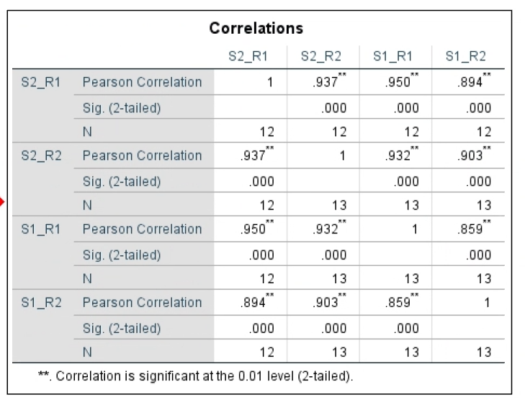
24 | ER | 2 | 2 | Incongruent | 56 | 0.87985714286 | 0.20297419707
25 | HB | 1 | 1 | Congruent | 60 | 0.9108 | 0.17211188714 | Average of mean_RT | Column Labels
26 | HB | 1 | 1 | Incongruent | 56 | 0.93419642857 | 0.16500748409 |  | 1 |  | 2 |  | Across all 4 runs | Day 1, R1vsR2 |  | Day 2 R1, vs R2 |  | R2's, Day 1 vs 2
27 | HB | 1 | 2 | Congruent | 60 | 0.8624 | 0.12290084194 | Row Labels | 1 | 2 | 1 | 2
28 | HB | 1 | 2 | Incongruent | 57 | 0.89368421053 | 0.13501457036 | MaR | 0.87296491228 | 0.78903389831 | 0.81354385965 | 0.80542372881
29 | HB | 2 | 1 | Congruent | 58 | 0.85168965517 | 0.1600552763 | AL | 0.79573076923 | 0.80186206897 | 0.75510714286 | 0.77624561404
30 | HB | 2 | 1 | Incongruent | 56 | 0.86326785714 | 0.13881321539 | DC | 0.76518333333 | 0.77148333333 | 0.75521666667 | 0.74315
31 | HB | 2 | 2 | Congruent | 59 | 0.79977966102 | 0.11144939594 | ER | 0.83316949153 | 0.85413559322 | 0.82118333333 | 0.79936666667
32 | HB | 2 | 2 | Incongruent | 57 | 0.82768421053 | 0.12027456059 | HB | 0.9108 | 0.8624 | 0.85168965517 | 0.79977966102
33 | HC | 1 | 1 | Congruent | 58 | 0.87606896552 | 0.17612285007 | HC | 0.87606896552 | 0.79165 | 0.83213559322 | 0.78852631579
34 | HC | 1 | 1 | Incongruent | 53 | 0.86301886792 | 0.13079924291 | HJ | 0.7756440678 | 0.79135087719 | 0.77623333333 | 0.77486666667
35 | HC | 1 | 2 | Congruent | 60 | 0.79165 | 0.10748209547 | JO | 0.86844642857 | 0.82737288136 | 0.83294827586 | 0.78738983051
36 | HC | 1 | 2 | Incongruent | 59 | 0.81096610169 | 0.16689899548 | JT | 1.4623461538 | 1.2846206897 | 1.5799545455 | 1.1948035714
37 | HC | 2 | 1 | Congruent | 59 | 0.83213559322 | 0.18472854806 | LJ | 0.73589655172 | 0.76044067797 | 0.75813559322 | 0.73308333333
38 | HC | 2 | 1 | Incongruent | 59 | 0.82598305085 | 0.15399300158 | MR | 0.82925457925 | 0.79686666667 | 0.81574137931 | 0.78641666667
39 | HC | 2 | 2 | Congruent | 57 | 0.78852631579 | 0.11944067644 | NS | 0.87032758621 | 0.85522033898 |  | 0.81189830508
40 | HC | 2 | 2 | Incongruent | 58 | 0.77675862069 | 0.16087167277 | RM | 0.68355932203 | 0.69879661017 | 0.65462711864 | 0.68786440678 | pearson R | pearson R |  | pearson R |  | pearson R
41 | HJ | 1 | 1 | Congruent | 59 | 0.7756440678 | 0.12523051335 | TF | 0.70038983051 | 0.72257627119 | 0.6971 | 0.71198305085
42 | HJ | 1 | 1 | Incongruent | 58 | 0.84031034483 | 0.17603689873 | Grand Total | 0.8556987137 | 0.82912927907 | 0.84181665359 | 0.80005698697
43 | HJ | 1 | 2 | Congruent | 57 | 0.79135087719 | 0.16510337576

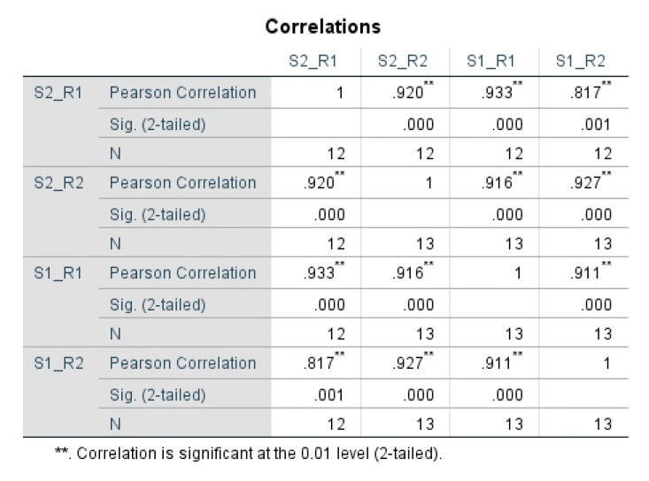
44 | HJ | 1 | 2 | Incongruent | 57 | 0.83561403509 | 0.11861172467
45 | HJ | 2 | 1 | Congruent | 60 | 0.77623333333 | 0.1317751509 | congruency | Incongruent
46 | HJ | 2 | 1 | Incongruent | 56 | 0.78655357143 | 0.12942332509
47 | HJ | 2 | 2 | Congruent | 60 | 0.77486666667 | 0.11564945084 | Average of mean_RT | Column Labels
48 | HJ | 2 | 2 | Incongruent | 57 | 0.79245614035 | 0.13189485398 |  | 1 |  | 2 |  | Across all 4 runs | Day 1, R1vsR2 |  | Day 2 R1, vs R2 |  | R2's, Day 1 vs 2
49 | JO | 1 | 1 | Congruent | 56 | 0.86844642857 | 0.17917253438 | Row Labels | 1 | 2 | 1 | 2
50 | JO | 1 | 1 | Incongruent | 60 | 0.79431666667 | 0.15656692852 | MaR | 0.89578181818 | 0.83444067797 | 0.8639137931 | 0.83960344828
51 | JO | 1 | 2 | Congruent | 59 | 0.82737288136 | 0.18354543723 | AL | 0.84103389831 | 0.85459649123 | 0.78752542373 | 0.79717241379
52 | JO | 1 | 2 | Incongruent | 58 | 0.83929310345 | 0.22006729502 | DC | 0.78816666667 | 0.73967241379 | 0.75663793103 | 0.74389830508
53 | JO | 2 | 1 | Congruent | 58 | 0.83294827586 | 0.17177039167 | ER | 0.90014285714 | 0.90912068966 | 0.88069491525 | 0.87985714286
54 | JO | 2 | 1 | Incongruent | 58 | 0.74132758621 | 0.12196884675 | HB | 0.93419642857 | 0.89368421053 | 0.86326785714 | 0.82768421053
55 | JO | 2 | 2 | Congruent | 59 | 0.78738983051 | 0.14760023093 | HC | 0.86301886792 | 0.81096610169 | 0.82598305085 | 0.77675862069
56 | JO | 2 | 2 | Incongruent | 60 | 0.79185 | 0.18484870818 | HJ | 0.84031034483 | 0.83561403509 | 0.78655357143 | 0.79245614035
57 | JT | 1 | 1 | Congruent | 52 | 1.4623461538 | 0.30408002588 | JO | 0.79431666667 | 0.83929310345 | 0.74132758621 | 0.79185
58 | JT | 1 | 1 | Incongruent | 49 | 1.520122449 | 0.30227916406 | JT | 1.520122449 | 1.3119259259 | 1.6029111111 | 1.1868727273
59 | JT | 1 | 2 | Congruent | 58 | 1.2846206897 | 0.31406133201 | LJ | 0.73305263158 | 0.73513793103 | 0.77112068966 | 0.75740350877
60 | JT | 1 | 2 | Incongruent | 54 | 1.3119259259 | 0.29654264715 | MR | 0.88817716604 | 0.8396 | 0.82222641509 | 0.82157142857
61 | JT | 2 | 1 | Congruent | 44 | 1.5799545455 | 0.29628293788 | NS | 0.94977777778 | 0.8985 |  | 0.87269642857
62 | JT | 2 | 1 | Incongruent | 45 | 1.6029111111 | 0.29996437836 | RM | 0.69206779661 | 0.70675862069 | 0.6775 | 0.66179310345 | pearson R | pearson R |  | pearson R |  | pearson R
63 | JT | 2 | 2 | Congruent | 56 | 1.1948035714 | 0.28888440089 | TF | 0.69578571429 | 0.72588135593 | 0.70460714286 | 0.70405172414
64 | JT | 2 | 2 | Incongruent | 55 | 1.1868727273 | 0.35882648518 | Grand Total | 0.88113936311 | 0.85251368264 | 0.85263611442 | 0.81811922874
65 | LJ | 1 | 1 | Congruent | 58 | 0.73589655172 | 0.11344396401
66 | LJ | 1 | 1 | Incongruent | 57 | 0.73305263158 | 0.13934917872
67 | LJ | 1 | 2 | Congruent | 59 | 0.76044067797 | 0.14438994988
68 | LJ | 1 | 2 | Incongruent | 58 | 0.73513793103 | 0.095181350133
69 | LJ | 2 | 1 | Congruent | 59 | 0.75813559322 | 0.12138631088
70 | LJ | 2 | 1 | Incongruent | 58 | 0.77112068966 | 0.14837684096
71 | LJ | 2 | 2 | Congruent | 60 | 0.73308333333 | 0.099788639628
72 | LJ | 2 | 2 | Incongruent | 57 | 0.75740350877 | 0.14403965967
73 | MaR | 1 | 1 | Congruent | 57 | 0.87296491228 | 0.15058694272
74 | MaR | 1 | 1 | Incongruent | 55 | 0.89578181818 | 0.16889649372
75 | MaR | 1 | 2 | Congruent | 59 | 0.78903389831 | 0.12867761991
76 | MaR | 1 | 2 | Incongruent | 59 | 0.83444067797 | 0.13674520368
77 | MaR | 2 | 1 | Congruent | 57 | 0.81354385965 | 0.12172467032
78 | MaR | 2 | 1 | Incongruent | 58 | 0.8639137931 | 0.12904307515
79 | MaR | 2 | 2 | Congruent | 59 | 0.80542372881 | 0.16370075763
80 | MaR | 2 | 2 | Incongruent | 58 | 0.83960344828 | 0.11423167282
81 | MR | 1 | 1 | Congruent | 53 | 0.82925457925 | 0.098384853423
82 | MR | 1 | 1 | Incongruent | 53 | 0.88817716604 | 0.17742226224
83 | MR | 1 | 2 | Congruent | 60 | 0.79686666667 | 0.11291761909
84 | MR | 1 | 2 | Incongruent | 55 | 0.8396 | 0.13853955178
85 | MR | 2 | 1 | Congruent | 58 | 0.81574137931 | 0.16715499272
86 | MR | 2 | 1 | Incongruent | 53 | 0.82222641509 | 0.12439911599
87 | MR | 2 | 2 | Congruent | 60 | 0.78641666667 | 0.14498033668
88 | MR | 2 | 2 | Incongruent | 56 | 0.82157142857 | 0.15479157331
89 | NS | 1 | 1 | Congruent | 58 | 0.87032758621 | 0.18191162187
90 | NS | 1 | 1 | Incongruent | 54 | 0.94977777778 | 0.18014477057
91 | NS | 1 | 2 | Congruent | 59 | 0.85522033898 | 0.15170809855
92 | NS | 1 | 2 | Incongruent | 58 | 0.8985 | 0.15387534828
93 | NS | 2 | 2 | Congruent | 59 | 0.81189830508 | 0.15766012057
94 | NS | 2 | 2 | Incongruent | 56 | 0.87269642857 | 0.17575281398
95 | RM | 1 | 1 | Congruent | 59 | 0.68355932203 | 0.10667599529
96 | RM | 1 | 1 | Incongruent | 59 | 0.69206779661 | 0.14152176199
97 | RM | 1 | 2 | Congruent | 59 | 0.69879661017 | 0.11874774476
98 | RM | 1 | 2 | Incongruent | 58 | 0.70675862069 | 0.1033207084
99 | RM | 2 | 1 | Congruent | 59 | 0.65462711864 | 0.069464676785
100 | RM | 2 | 1 | Incongruent | 58 | 0.6775 | 0.10100985708
101 | RM | 2 | 2 | Congruent | 59 | 0.68786440678 | 0.080487406945
102 | RM | 2 | 2 | Incongruent | 58 | 0.66179310345 | 0.073431614832
103 | TF | 1 | 1 | Congruent | 59 | 0.70038983051 | 0.12170116268
104 | TF | 1 | 1 | Incongruent | 56 | 0.69578571429 | 0.16710690256
105 | TF | 1 | 2 | Congruent | 59 | 0.72257627119 | 0.14565916799
106 | TF | 1 | 2 | Incongruent | 59 | 0.72588135593 | 0.12315438653
107 | TF | 2 | 1 | Congruent | 60 | 0.6971 | 0.15655471779
108 | TF | 2 | 1 | Incongruent | 56 | 0.70460714286 | 0.11198355051
109 | TF | 2 | 2 | Congruent | 59 | 0.71198305085 | 0.15616508634
110 | TF | 2 | 2 | Incongruent | 58 | 0.70405172414 | 0.10338879481

